IT Risk Assessment Matrix
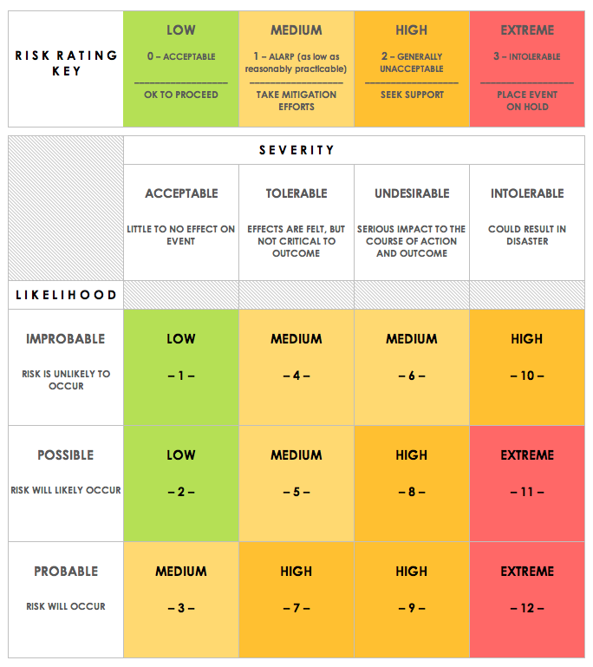
IT RISK ASSESSMENT MATRIX TEMPLATE
REF/ID | RISK TYPE | ASSET | RISK DESCRIPTION | RISK SEVERITY | RISK LIKELIHOOD | INTERNAL IMPACT | USER IMPACT | TRIGGER | MITIGATIONS / REMEDIES | ASSET | RISK SEVERITY KEY | RISK LIKELIHOOD KEY | RISK LEVEL KEY
 | Estimation | TRUSTED INSIDER | A member overestimating their skills to finish part of the code in relation to time. | TOLERABLE | IMPROBABLE | LOW | LOW | If a member's inexpeince conflicts with their ego, this could occur. | Keep individual egos from flaring up. | EXTERNAL | ACCEPTABLE | IMPROBABLE | LOW
 | Organizational | TRUSTED INSIDER | Members have unstructured work and go off on tangents that aren't tasks. Possible lack of Management. | UNDESIRABLE | POSSIBLE | HIGH | MEDIUM | If members are not focused and management cannot retain focus, this can occur. | Have a person the members respect as a manager. | INSIDER | TOLERABLE | POSSIBLE | MEDIUM
 | People | TRUSTED INSIDER | A member refuses to do tasks or finish them on time. | INTOLERABLE | IMPROBABLE | HIGH | HIGH | If a member feels slighted or antagonistic, this can occur. | Foster an inclusive environment where people feel that they are rewarded for work. | TRUSTED INSIDER | UNDESIRABLE | PROBABLE | HIGH
 | Requirements | EXTERNAL | The C.E.O. decides to implement a new requirement that has to be worked around. | TOLERABLE | POSSIBLE | EXTREME | HIGH | If the CEO wants to add a twist in the project, this will occur. | Just hope it dosen't happen. Also keep code flexable to accomodate any changes. |  | INTOLERABLE |  | EXTREME
 | Technology | EXTERNAL | One or more members lose internet access. | TOLERABLE | POSSIBLE | MEDIUM | MEDIUM | If there is a large storm or power outage, this may occur. | Consitantly save to cloud so minimal changes are lost.
 | Tools | EXTERNAL | A manager has trouble configuring project tools. | ACCEPTABLE | PROBABLE | LOW | LOW | If a manager is new to a tool, this can occur. | Spend a little extra time getting used to the new tool.

CLICK HERE TO CREATE IN SMARTSHEET

